Company
ADM | Administrative | 620260708036038 | 720260708036438 | SL01
AIR | Airlines | 620260708036039 | 720260708036439 | SL01
ATO | Automobile | 620260708036040 | 720260708036440 | SL01
CCC | Call Center | 620260708036041 | 720260708036441 | SL01
EDU | Education | 620260708036042 | 720260708036442 | SL01
MED | Medical Services | 620260708036043 | 720260708036443 | SL01
GEN | General Trade | 620260708036044 | 720260708036444 | SL01
HMC | Hospital/Medical Center | 620260708036046 | 720260708036446 | SL02
AFF | Agriculture, Forestry and Fishing | 620260708036047 | 720260708036447 | SL02
FMG | FMCG | 620260708036048 | 720260708036448 | SL02
CLI | Clinic | 620260708036049 | 720260708036449 | SL02
CON | Construction | 620260708036050 | 720260708036450 | SL02
EGY | Energy | 620260708036051 | 720260708036451 | SL02
RRT | Rural/Cooperatives | 620260708036019 | 720260708036419 | SL03
USB | Universal/Savings Bank | 620260708036020 | 720260708036420 | SL03
HHH | Hospitality/Hotels | 620260708036021 | 720260708036421 | SL03
HRR | HR/Recruitment | 620260708036022 | 720260708036422 | SL03
INT | Information Technology | 620260708036023 | 720260708036423 | SL03
MSC | Manpower/Security | 620260708036024 | 720260708036424 | SL03
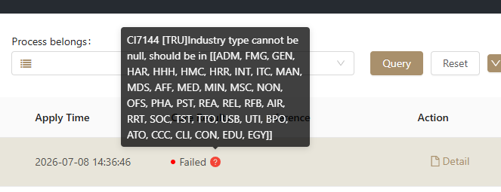
MDS | Media/Advertising | 620260708036052 | 720260708036452 | SL04
MIN | Mining | 620260708036053 | 720260708036453 | SL04
NON | Non-Voice BPO/Consulting | 620260708036054 | 720260708036454 | SL04
PHA | Pharmacy | 620260708036055 | 720260708036455 | SL04
REA | Real Estate | 620260708036056 | 720260708036456 | SL04
REL | Religious | 620260708036057 | 720260708036457 | SL04
RFB | Restaurants/Food & beverage | 620260708036058 | 720260708036458 | SL04
SOC | Social Services | 620260708036059 | 720260708036459 | SL04
TRU | TRUCKING | 620260708036033 | 720260708036433 | SL05
TTO | Travel and Tourism | 620260708036060 | 720260708036460 | SL05
PST | Professional, Scientific and Technical Services | 620260708036061 | 720260708036461 | SL05
MAN | Manufacturing | 620260708036062 | 720260708036462 | SL05

UTI | Utilities | 620260708036063 | 720260708036463 | SL05
HAR | Health and Recreation | 620260708036064 | 720260708036464 | SL05
ITC | Information and Communication | 620260708036065 | 720260708036465 | SL05
OFS | Other Financial Services |  |  | SL05
TST | Transportation and Storage | 620260708036066 | 720260708036466 | SL05
BPO | business process outsourcing | 620260708036067 | 720260708036467 | SL05 | fancyreyes@gmail.com 8qnl9x8b

